Bugs While Development
Defect Id | Defect Name | Steps To reproduce Defect | Expected Outcome | actual Outcome | Status | Developer Status | Attachment

NC-BUG-001 | City and Pincode are Incorrectly Auto-Populated After Registration | 1. Register a new user. 2. During registration, observe that there are no fields to enter City/Region or Pincode. 3. Complete the registration successfully. 4. Navigate to Settings → General Overview → Personal Profile. 5. Check the City/Region and Pincode values displayed in the profile. | Since City/Region and Pincode are not collected during registration, these fields should either remain blank/not configured or be populated only from a valid user-provided source. The system should not assign arbitrary location information. | The profile displays City/Region: Mumbai and Pincode: 400001, even though these details were not provided during registration. This indicates that location data is being incorrectly/randomly populated after registration. | Open | Pending | 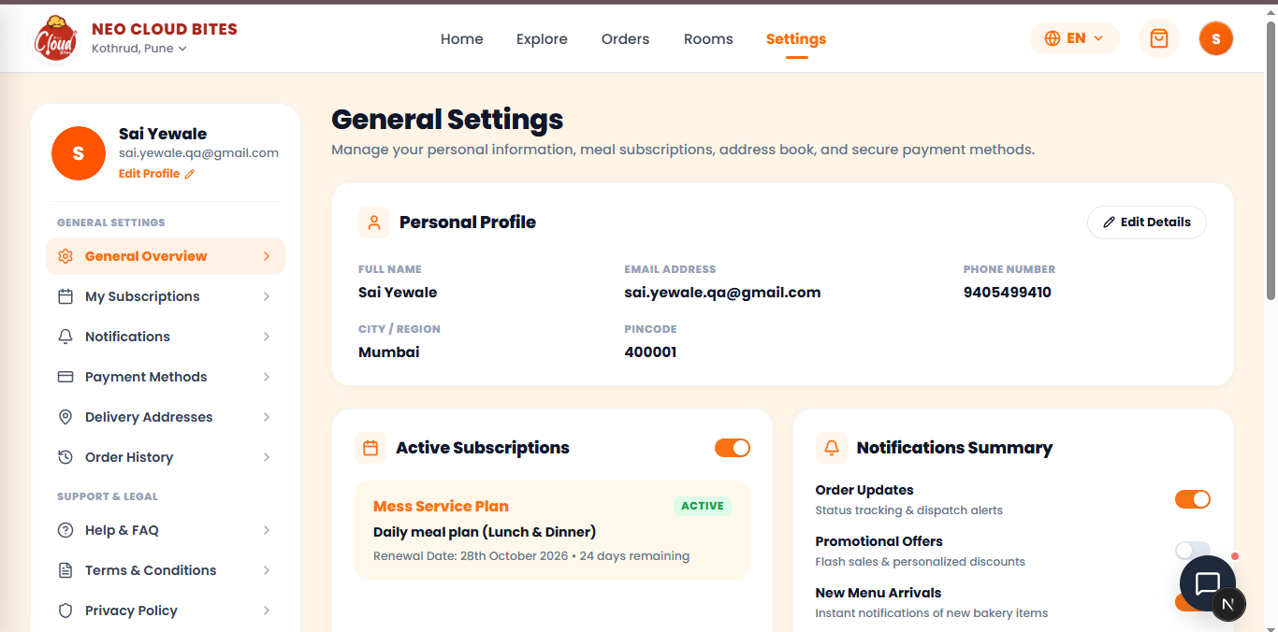
NC-BUG-002 | Long Delivery Address Breaks Address Card Layout | 1. Navigate to Settings → Delivery Addresses.2. Click Add New Address.3. Enter an unusually long address in the address field.4. Save the address.5. Observe the Delivery Addresses section containing multiple address cards. | The address card should handle long address text properly by wrapping, truncating with an ellipsis, or expanding vertically without affecting the layout of other address cards. All cards and their controls should remain properly aligned and usable. | When a very long address is added, the address text extends across the card and causes the adjacent address card/layout to become disrupted. The long text affects the alignment and available space of the neighboring card, resulting in a broken/inconsistent UI layout. | Open | Pending | 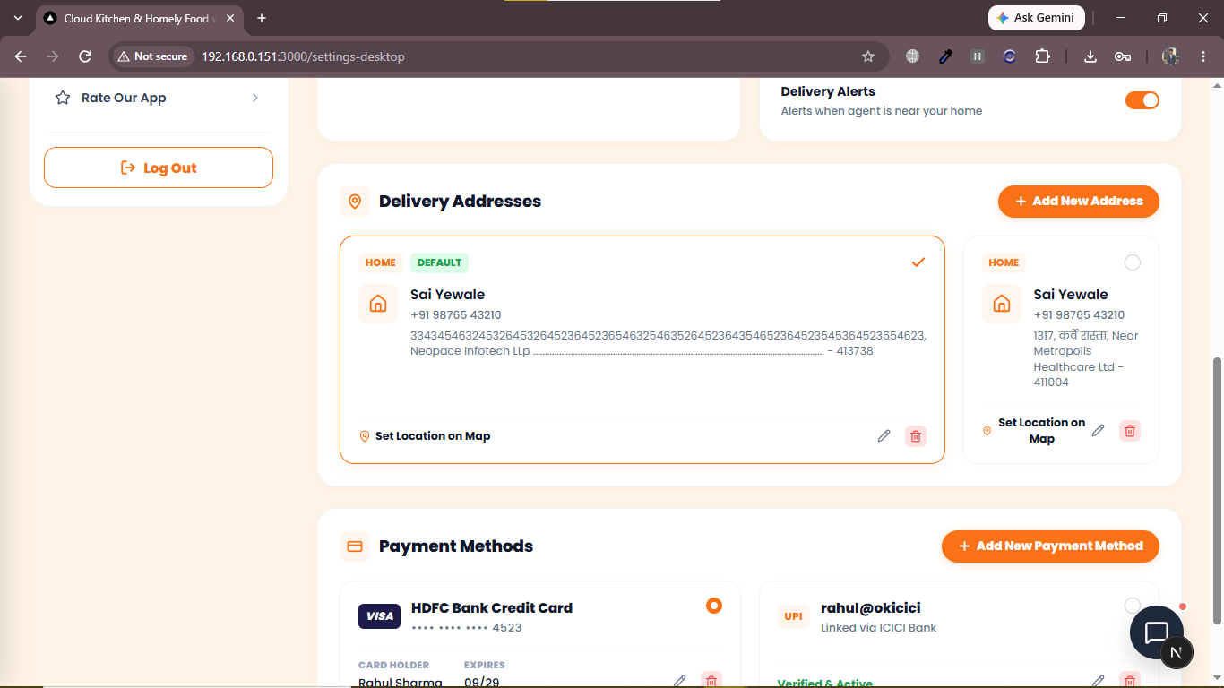
NC-BUG-003 | Sidebar Scrolls Along With Main Content | 1. Login to the NeoCloud Bites application. 2. Navigate to Settings → General Overview. 3. Scroll down through the main page content. 4. Observe the left-side navigation sidebar while scrolling. 5. Continue scrolling toward the Delivery Addresses and Payment Methods sections. | The left sidebar should remain fixed/stable in its designated position while the main content area scrolls independently. Sidebar navigation options should remain accessible without moving with the page content. | The left sidebar scrolls together with the main page content. As the user scrolls down, the upper sidebar content moves out of view and the sidebar does not remain stable/fixed. | Open | Pending | 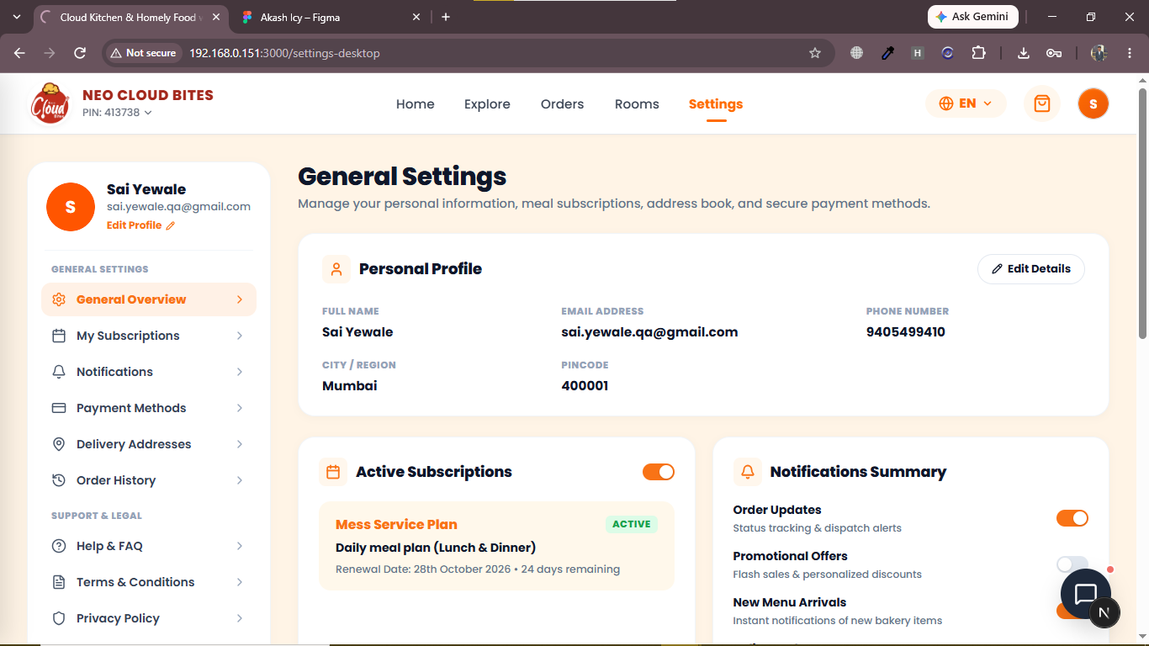 | 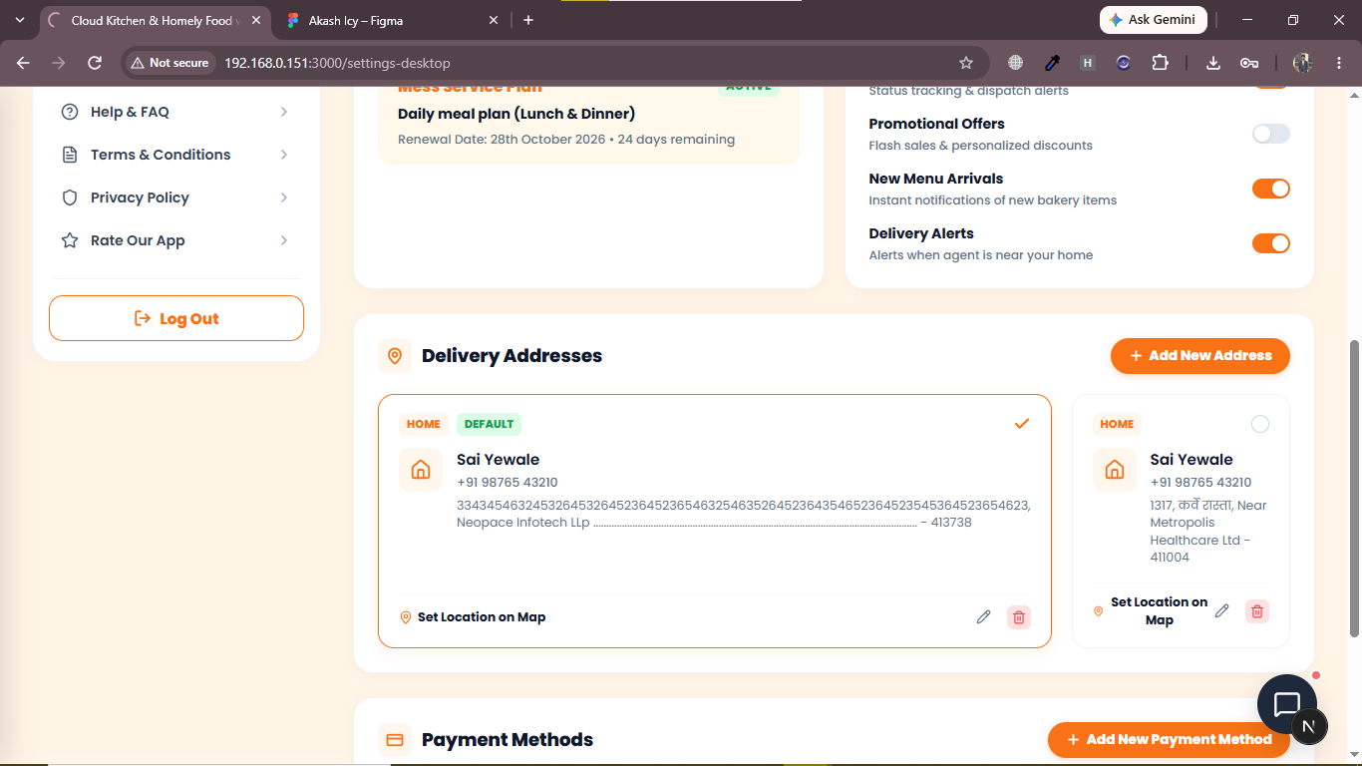
NC-BUG-004 | Promotional Banner Is Not Scrollable | 1. Login to the NeoCloud Bites application. 2. Navigate to the Home/Explore page where the promotional banner is displayed. 3. Scroll through the page and observe the promotional banner section. 4. Try to scroll or navigate through the banner content/slides. | The promotional banner should allow the user to scroll/navigate through all available banner content or slides using the provided carousel controls/interaction. All banner slides should be accessible without content being inaccessible. | The promotional banner is not scrollable/navigable as expected. The displayed banner remains static, preventing the user from accessing the other promotional banner content/slides. | Open | Pending | 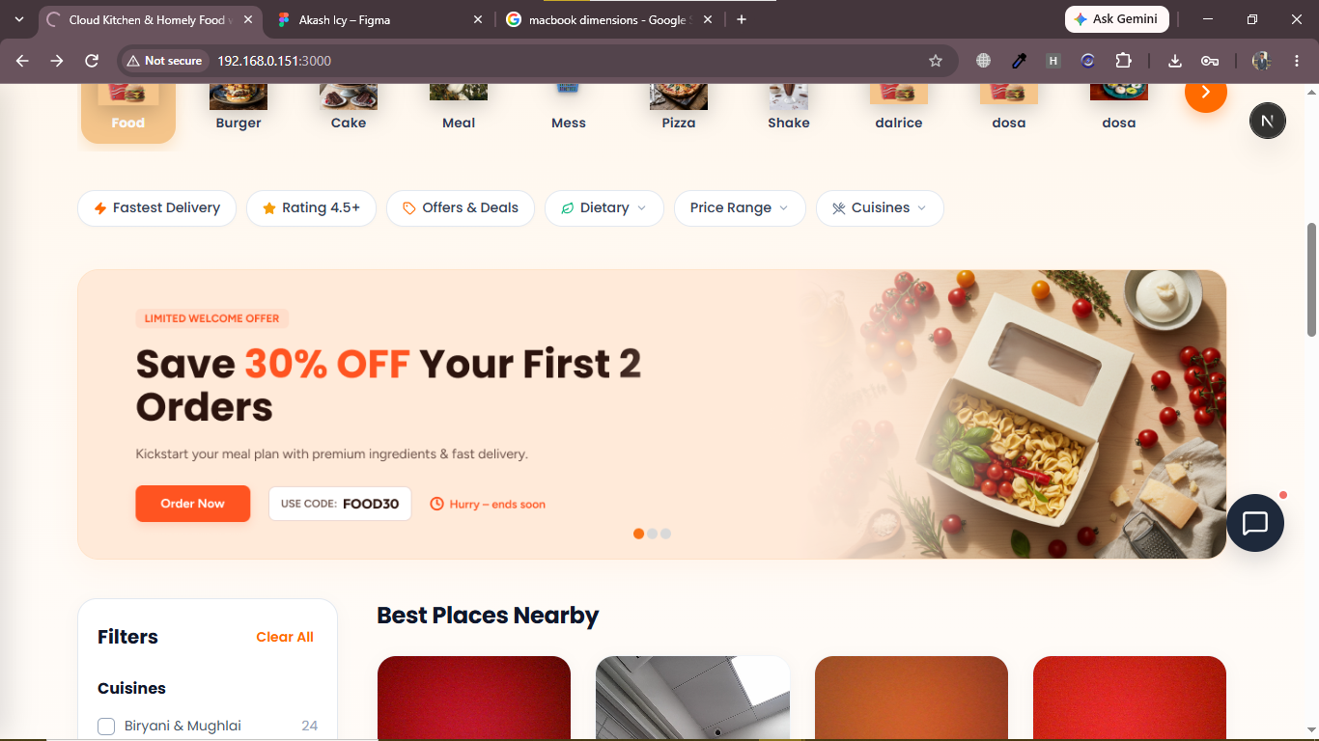
NC-BUG-005 | View All Photos Does Not Open Photo Gallery | 1. Login to the NeoCloud Bites application. 2. Navigate to Rooms. 3. Open any room listing/details page. 4. Click View all 1 photos. 5. Observe the response. | Clicking View all photos should open the photo gallery and display the available room images. The user should be able to view the photos properly. | An alert popup appears with the message “Opening full photo gallery” and an OK button, but after clicking OK, no photo gallery opens and no further action occurs. | Open | Pending | 